Lec-case study

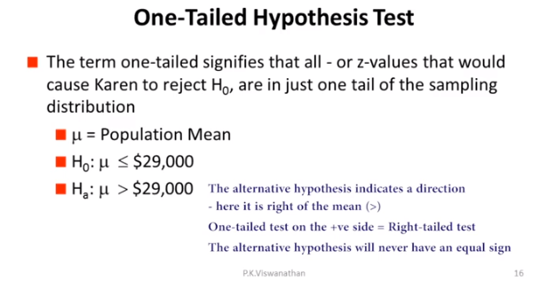

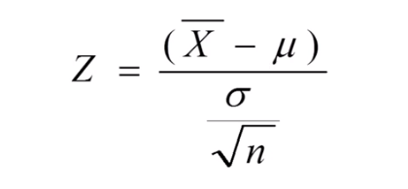

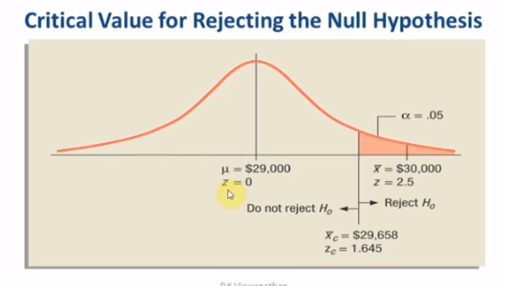

Zc= | 1.645

0.99379033467

1SampleP1
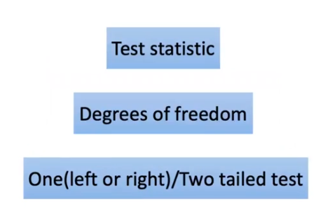
Minutes |  | Experian Marketing Services reported that the typical American spends a mean of 144 minutes (2.4 hours) per day accessing the Internet via a mobile device. (Source: The 2014 Digital Marketer, available at ex.pn/IkXJjfX.) In order to test the validity of this statement, you select a sample of 30 friends and family. The results for the time spent per day accessing the Internet via mobile device (in minutes) are stored in InternetMobileTime a. Is there evidence that the population mean time spent per day accessing the Internet via mobile device is different from 144 minutes? Use the p-value approach and a level of significance of 0.05. b. What assumption about the population distribution is needed in order to conduct the t test in (a)?
72
144
48
72
36
360
44
30
432
24
288
144
144
240
432
144
144
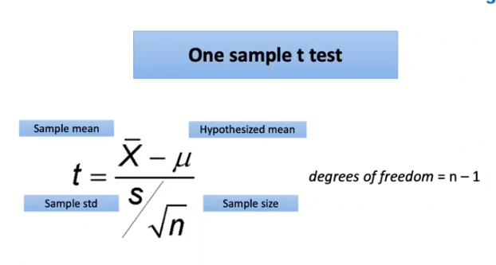
144
576
216 | Step 1 | H0 | Sample mean = 144 min
72 |  | H1 | Sample mean is not equal to 144 min
72
144 | Step 2 | 0.05
288
144 | Step 3 | 1 sample t test
36
288 |  | Test statistic | 1.2246743654
48
288 |  | xbar | 175.26666667
144 |  | s | 139.83683431
175.26666667 |  | n | 30
 |  | mu | 144

 | Step 4 | 0.23055326883 | p_value |  | 0.23055327
 |  |  |  |  |  | 1
 | Step 5 | p_value > 0.05 |  | We fail to reject the H0 |  | 0.32728688128

 | Basis the hypothesis test performed for the given sample of 30 observations at 95% confidence we fail to reject the null hypothesis i.e. an average American spends 144 min on internet each day.

2SampleInd
WingA | WingB |  | A hotel manager looks to enhance the initial impressions that hotel guests have when they check in. Contributing to initial impressions is the time it takes to deliver a guest’s luggage to the room after check-in. A random sample of 20 deliveries on a particular day were selected in Wing A of the hotel, and a random sample of 20 deliveries were selected in Wing B. The results are stored in Luggage . Analyze the data and determine whether there is a difference between the mean delivery times in the two wings of the hotel. (Use 𝛼= 0.05)
10.7 | 7.2
9.89 | 6.68
11.83 | 9.29
9.04 | 8.95
9.37 | 6.61
11.68 | 8.53
8.36 | 8.92
9.76 | 7.95
13.67 | 7.57
8.96 | 6.38
9.51 | 8.89
10.85 | 10.03
10.57 | 9.3
11.06 | 5.28
8.91 | 9.23
11.79 | 9.25
10.59 | 8.44
9.13 | 6.57
12.37 | 10.61
9.91 | 6.77 | Step 1 | H0: Avg time Wing A = Avg time Wing B
10.3975 | 8.1225 |  | H1: Avg time Wing A not equal to Avg time Wing B

 |  | Step 2 | 0.05
when std dec in unknown, we have to do 2sample ttest
 |  | Step 3 test statistc | 5.161511664 | Numerator | 2.275
 |  |  |  | Denominator | 0.44076234795
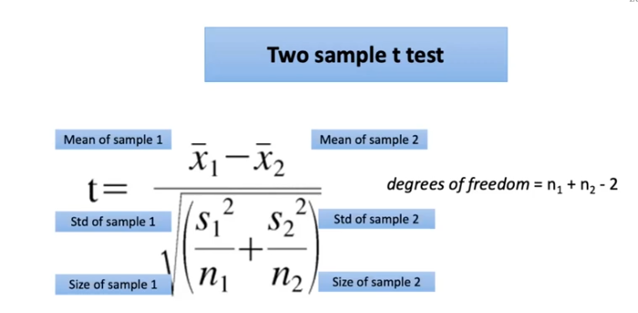
 |  | x1bar | 10.3975
 |  | x2bar | 8.1225
 |  | var1 | 1.8769881579
 |  | var2 | 2.0084407895
 |  | n1 = n2 | 20
 |  | df | n1+n2-2
 |  |  | 38

 |  | Step 4 | 8.0079880325E-06 | 8.01E-06

 |  | Step 5 | p_value < alpha | Reject H0

 |  |  |  | Avg time Wing A not equal to Avg time Wing B

ChisqTest
Two companies A and B were merged. After the first appraisal cycle post merger, employees orginally belonging to Company B have put an allegation that the management favors employees who were originally a part of company A. At 95% confidence perform a hypothesis test to validate if the claim holds good.

 |  |  | Company | Promotion Status
 |  |  |  | P | NP | Total
 |  |  | A | 15 | 9 | 24 |  | 0.625
 |  |  | B | 16 | 15 | 31 |  | 0.51612903226
Company | Status |  | Total | 31 | 24 | 55 | 0.56363636364
A | P
A | NP
B | P | Step 1 | H0: There is no influence of background on promotions
B | P |  | H1: Promotions are biased
A | NP

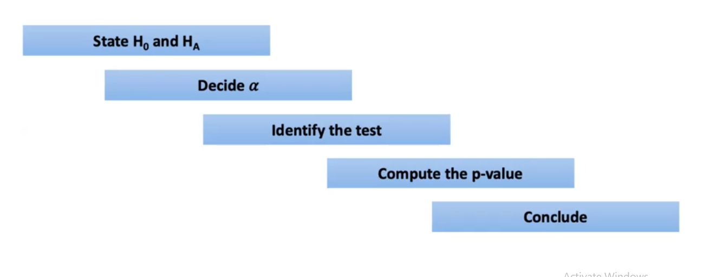
 |  | Step 2 | 0.05
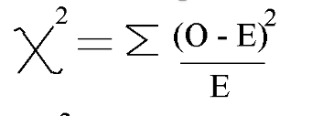
 |  | Step 3 |  |  | Observed | Expected | test statistic
 |  |  |  | AP | 15 | 13.527272727 | 0.1603372434
 |  |  |  | ANP | 9 | 10.472727273 | 0.20710227273
 |  |  |  | BP | 16 | 17.472727273 | 0.12413205941
 |  |  |  | BNP | 15 | 13.527272727 | 0.1603372434
 |  |  |  |  |  |  | 0.65190881894
 |  | Step 4 | 0.41943105261 |  | 0.41943105261

 |  | Step 5 | p_value > 0.05

 |  | There is no influence of background on promotions

